Sheet
EO
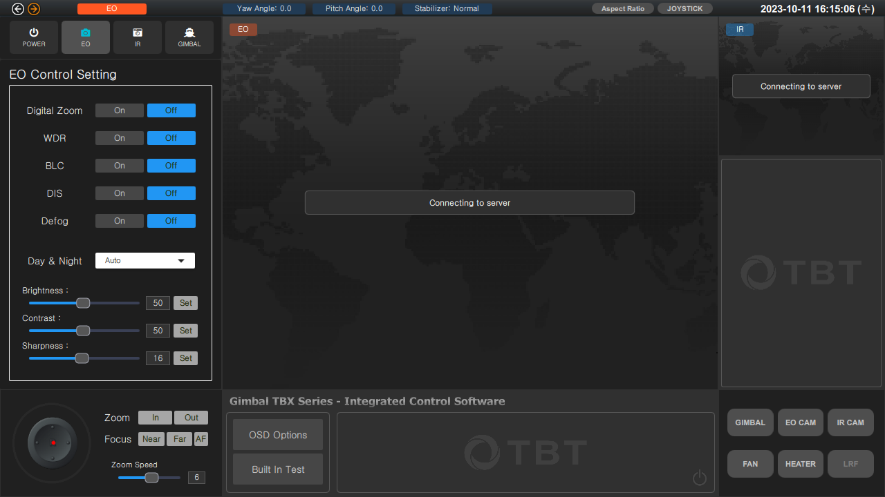

IR
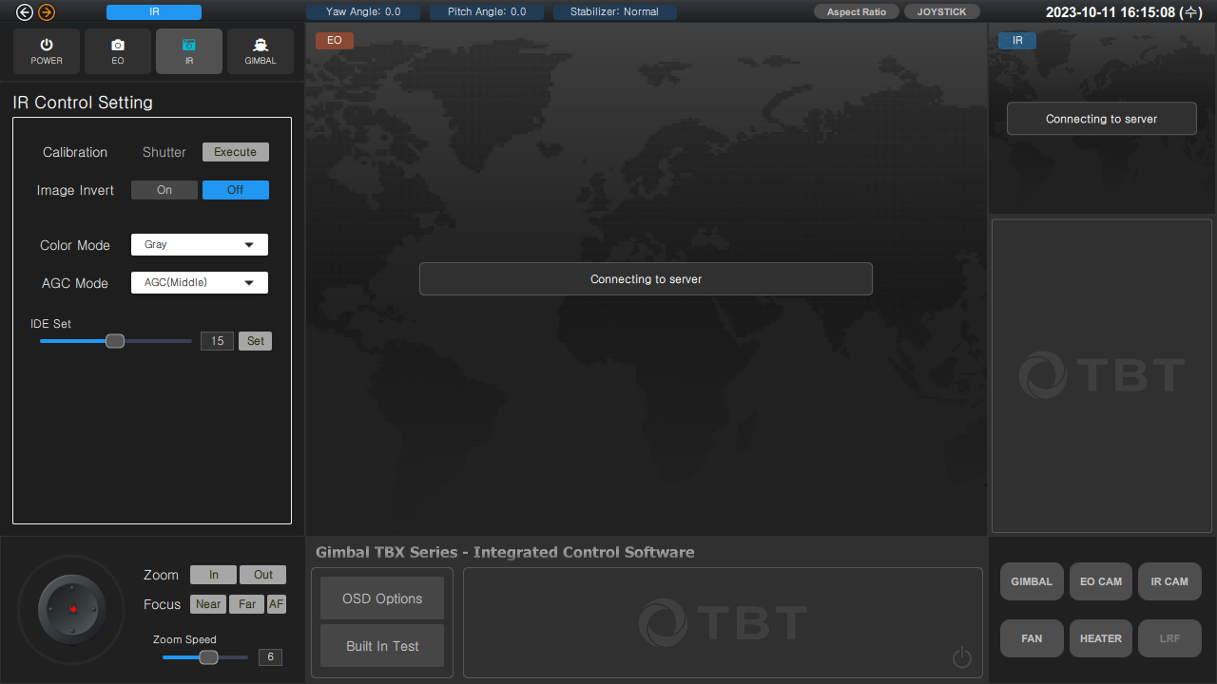

GIMBAL
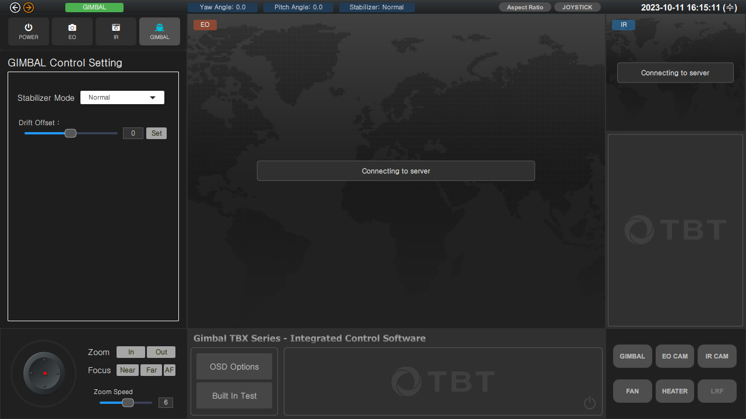

POWER
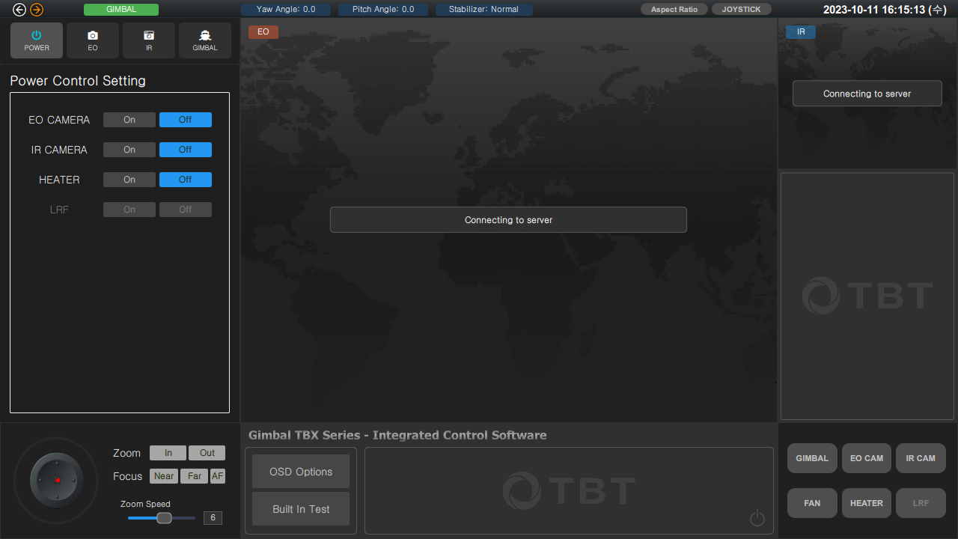

ASPECT
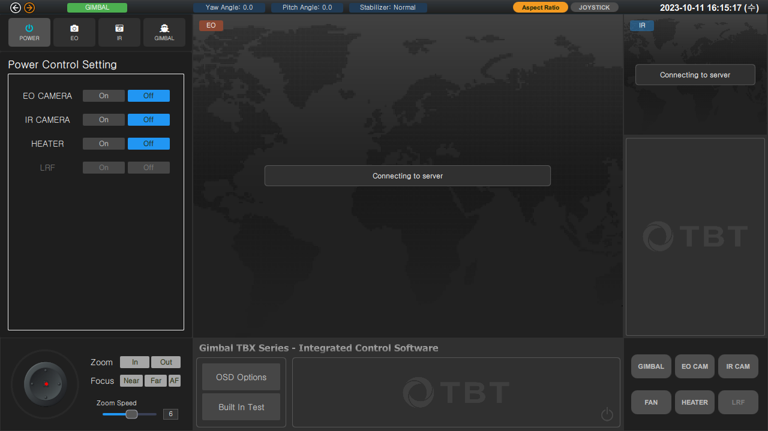

Gimbal Power Off Crop

EO Power Off Crop

IR Power Off Crop

FAN Power Off Crop

HEATER Power Off Crop

LRF Power Off Crop

